Table 1

Selected Acquisition Report (SAR)
RCS: DD-A&T(Q&A)823-341
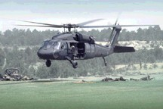
UH-60M Black Hawk Helicopter (UH-60M Black Hawk)
As of FY 2017 President's Budget
Defense Acquisition Management Information Retrieval
(DAMIR)

Table 9
Schedule
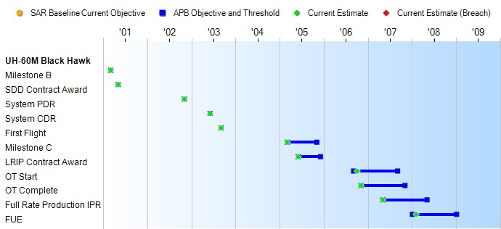
None
Schedule Events
Events | SAR Baseline Production Estimate | Current APB Production Objective/Threshold |  | Current Estimate
Milestone B | Mar 2001 | Mar 2001 | Mar 2001 | Mar 2001
SDD Contract Award | May 2001 | May 2001 | May 2001 | May 2001
System PDR | Nov 2002 | Nov 2002 | Nov 2002 | Nov 2002
System CDR | Jun 2003 | Jun 2003 | Jun 2003 | Jun 2003
First Flight | Sep 2003 | Sep 2003 | Sep 2003 | Sep 2003
Milestone C | Feb 2005 | Mar 2005 | Nov 2005 | Mar 2005
LRIP Contract Award | Mar 2005 | Jun 2005 | Dec 2005 | Jun 2005
OT Start | Sep 2006 | Sep 2006 | Sep 2007 | Oct 2006
OT Complete | Nov 2006 | Nov 2006 | Nov 2007 | Nov 2006
Full Rate Production IPR | May 2007 | May 2007 | May 2008 | May 2007
FUE | Jan 2008 | Jan 2008 | Jan 2009 | Feb 2008
Change Explanations

Table 25
Unit Cost History
Item |  |  |  |  |  |  |  | Date |  |  | BY 2005 $M |  |  |  |  |  |  | TY $M
 |  |  |  |  |  |  |  |  |  |  | PAUC |  |  | APUC |  |  |  | PAUC |  |  |  | APUC

Original APB |  |  |  |  | Feb 2002 |  |  |  |  |  | 9.250 |  |  |  |  | 9.042 |  |  | 12.008 |  |  |  | 11.812
APB as of January 2006 |  |  |  |  | Mar 2005 |  |  |  |  |  | 13.605 |  |  |  |  | 13.109 |  |  | 16.880 |  |  |  | 16.388
Revised Original APB |  |  |  |  | Mar 2005 |  |  |  |  |  | 13.605 |  |  |  |  | 13.109 |  |  | 16.880 |  |  |  | 16.388
Prior APB |  |  |  |  | Feb 2007 |  |  |  |  |  | 14.872 |  |  |  |  | 14.338 |  |  | 18.840 |  |  |  | 18.319
Current APB |  |  |  |  | Jun 2011 |  |  |  |  |  | 16.462 |  |  |  |  | 16.001 |  |  | 20.432 |  |  |  | 19.981
Prior Annual SAR |  |  |  |  | Dec 2014 |  |  |  |  |  | 15.630 |  |  |  |  | 15.165 |  |  | 19.566 |  |  |  | 19.110
Current Estimate |  |  |  |  | Dec 2015 |  |  |  |  |  | 15.586 |  |  |  |  | 15.121 |  |  | 19.390 |  |  |  | 18.932
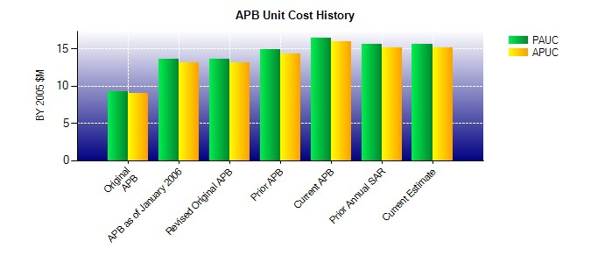
SAR Unit Cost History
Initial SAR Baseline to Current SAR Baseline (TY $M)
Initial PAUC Development Estimate | Changes |  |  |  |  |  |  |  |  |  |  |  |  |  |  |  |  |  |  |  | PAUC Production Estimate
 | Econ |  | Qty |  |  | Sch |  |  | Eng | Est |  |  | Oth |  |  | Spt |  | Total
12.008 -0.325 4.705 -0.262 0.996 -0.326 0.000 0.084 4.872 16.880
Current SAR Baseline to Current Estimate (TY $M)
PAUC Production Estimate |  | Changes |  |  |  |  |  |  |  |  |  |  |  |  |  |  |  |  |  | PAUC Current Estimate
 |  | Econ |  | Qty |  |  | Sch |  | Eng | Est |  | Oth |  |  | Spt |  | Total
16.880 -0.265 0.677 0.938 0.476 0.147 0.000 0.537 2.510 19.390

